Sheet2
Company Name: Dalian Blue Ribbon Pet Things Co., Ltd. No.97 Shuangsheng Road, Shuangdaowan Street, Lvshunkou District, Dalian, Liaoning, China Tel: 86-411-82531219 Fax: 86-411-82531319 Website: www.dlbrpet.com
Catalogue for Playpen
Picture | Model Number | Specification | Wire Gauge | Wire Space | N.W. | G.W. | Panels | Qty. Per ctn | Surface Treatment | Ctn Dimension | CBM/ctn
 |  | (cm) | (mm) | (mm) | (kg) | (kg) | (pcs) | (set) |  | (cm) | (m3)
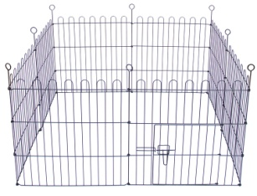 Sticks connection | DLBR6024C-8 | 61×61 | 3.0/4.0 | 36.6 | 6.66 | 7.51 | 8 | 1 | Black E-Coating | 62x8.5x62.5 | 0.0330
 | DLBR6030C-8 | 61×76 | 3.0/4.0 | 36.6 | 8.12 | 9.07 | 8 | 1 | Black E-Coating | 78x8.5x62.5 | 0.0410
 | DLBR6036C-8 | 61×91 | 3.0/4.0 | 36.6 | 9.78 | 10.83 | 8 | 1 | Black E-Coating | 93x8.5x62.5 | 0.0490
 | DLBR6042C-8 | 61×106 | 3.0/4.0 | 36.6 | 11.25 | 12.40 | 8 | 1 | Black E-Coating | 108x8.5x62.5 | 0.0600
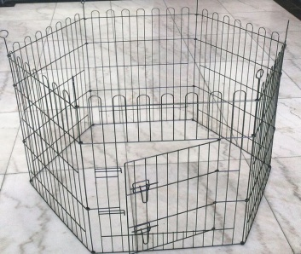 Sticks connection | DLBR6024C-6 | 61×61 | 3.0/4.0 | 36.6 | 4.99 | 5.84 | 6 | 1 | Black E-Coating | 62x7.5x62.5 | 0.0290
 | DLBR6030C-6 | 61×76 | 3.0/4.0 | 36.6 | 6.27 | 7.22 | 6 | 1 | Black E-Coating | 78x7.5x62.5 | 0.0340
 | DLBR6036C-6 | 61×91 | 3.0/4.0 | 36.6 | 7.35 | 8.4 | 6 | 1 | Black E-Coating | 93x7.5x62.5 | 0.0410
 | DLBR6042C-6 | 61×106 | 3.0/4.0 | 36.6 | 8.42 | 9.57 | 6 | 1 | Black E-Coating | 108x7.5x62.5 | 0.0470
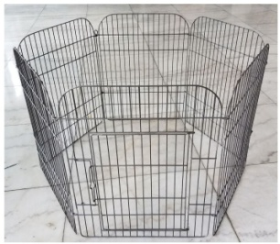 C01 | DLBR6024D | 50x65 | 3.0/4.0 | 26 | 6.6 | 7.38 | 6 | 1 | Powder Coating | 56.7x6.5x68 | 0.0251
 | DLBR6007 | 100x100x47 | 3.0/4.0 | 35.3 | 9.32 | 10.21 | 5 | 1 | Black E-Coating | 104x8x53 | 0.0420
 | DLBR6008PH | 34x23 | 1.4/2.0 | 8.3 | 8.8 | 9.36 | 8 | 8 | Powder Coating | 38.5x26.5x28 | 0.028
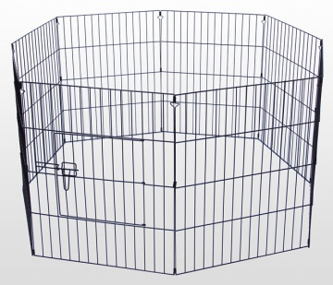 | DLBR6024PH | 61x61 | 3.0/4.0 | 34.8 | 9.4 | 10.17 | 8 | 1 | Black E-Coating | 63x8x64 | 0.0323
 | DLBR6030PH | 61x76 | 3.0/4.0 | 34.8 | 11.1 | 12.02 | 8 | 1 | Black E-Coating | 63x8x79 | 0.0398
 | DLBR6036PH | 61x91 | 3.0/4.0 | 34.8 | 12.85 | 13.92 | 8 | 1 | Black E-Coating | 63x8x94 | 0.0474
 | DLBR6042PH | 61 x 106 | 3.0/4.0 | 34.8 | 14.81 | 16 | 8 | 1 | Black E-Coating | 63x8x109 | 0.0558
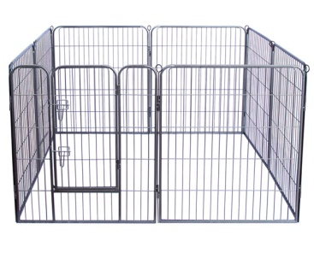 | DLBR6024A-8 | 80 x 61 | 3.0/4.0 | 36 | 12.95 | 14.55 | 8 | 1 | Wrinkles Powder Coating | 82.5x13x64 | 0.0686
 | DLBR6030A-8 | 80 x 76 | 3.0/4.0 | 36 | 16.15 | 18.23 | 8 | 1 | Wrinkles Powder Coating | 82.5x13x79 | 0.0847
 | DLBR6031A-8 | 80 x 80 | 3.0/4.0 | 36 | 17.92 | 19.26 | 8 | 1 | Wrinkles Powder Coating | 82.5x13x83 | 0.0890
 | DLBR6036A-8 | 80 x 91 | 3.0/4.0 | 36 | 19.3 | 21.67 | 8 | 1 | Wrinkles Powder Coating | 83x13x93.5 | 0.1009
 | DLBR6042A-8 | 80 x 106 | 3.0/4.0 | 36 | 22.5 | 25.06 | 8 | 1 | Wrinkles Powder Coating | 83x13x108.5 | 0.1171
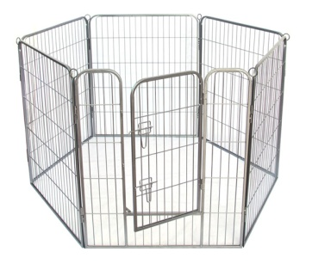 Heavy Duty Puppy Pens | DLBR6024A-6 | 80 x 61 | 3.0/4.0 | 36 | 9.7 | 10.86 | 6 | 1 | Wrinkles Powder Coating | 82.5x10.5x64 | 0.0554
 | DLBR6030A-6 | 80 x 76 | 3.0/4.0 | 36 | 12.1 | 16.1 | 6 | 1 | Wrinkles Powder Coating | 82.5x10.5x79 | 0.0684
 | DLBR6031A-6 | 80 x 80 | 3.0/4.0 | 36 | 13.44 | 14.56 | 6 | 1 | Wrinkles Powder Coating | 82.5x10.5x83 | 0.0719
 | DLBR6036A-6 | 80 x 91 | 3.0/4.0 | 36 | 14.48 | 16.6 | 6 | 1 | Wrinkles Powder Coating | 83x10.5x93.5 | 0.0815
 | DLBR6042A | 80 x 106 | 3.0/4.0 | 36 | 16.87 | 19.23 | 6 | 1 | Wrinkles Powder Coating | 83x10.5x108.5 | 0.0946
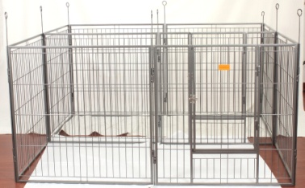 Heavy Duty Puppy Pens | DLBR6031B | 80x80 | 3.0/4.0 | 36 | 22.5 | 24.37 | 10 | 1 | Hammer Black Powder Coating | 82.5x16x83 | 0.1096
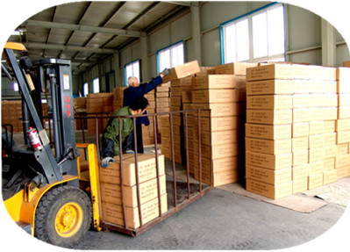 Remarks: - This price is valid within 20 days - Port of delivery: FOB Dalian Port - Period of delivery : 40-45 working days after receiving the deposit from purchaser. - Terms of payment: T/T (50% deposit 50% balance payment before loading) - Above price is made according to our MOQ 1x20'container , If your quantity less than our MOQ, the price will lift 10%. - Package : Brown carton

