鸟笼目录
Company Name: Dalian Blue Ribbon Pet Things Co., Ltd. Shuangsheng Road, Shuangdaowan Street, Lvshunkou District, Dalian, Liaoning, China Tel: 86-411-82531219 Fax: 86-411-82531319 Website: www.dlbrpet.com
Catalogue for Hamster Cages
Picture | Model Number | Dimension | Packing | N.W. | G.W. | Cbm | Ctn Dimension(cm)
 |  | (Inch) | (pcs/ctn) | (kg) | (kg) | (m3) | L | W | H
 | DLBR(R)1205 | 12x9x9.3 (30.1x22.7x23.5) | 8 | 6.30 | 7.00 | 0.05 | 51.50 | 32.00 | 31.50
 | DLBR(R)1401 | 14x11x8.75 (35.6x28x22.2) | 6 | 7.60 | 8.50 | 0.0665 | 62.5 | 38 | 28
 | DLBR(R)1401GX | 14x11x8.75 (35.6x28x22.2) | 6 | 7.60 | 8.50 | 0.0665 | 63 | 37 | 28.5
 | DLBR(R)1402 | 14x11x15.25 (35.6x28x38.7) | 6 | 6.2 | 7.08 | 0.0481 | 62.5 | 38.5 | 20
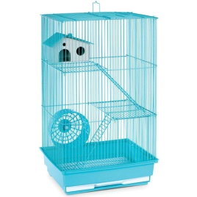 | DLBR(R)1403 | 14x11x22 (35.6x28x55.9) | 4 | 10.20 | 11.20 | 0.0707 | 62.5 | 39 | 30
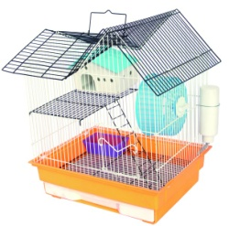 | DLBR(R)1431 | 14 × 11 × 17 (36 x 28.8 x 43.2cm) | 6 | 10.68 | 11.78 | 0.083 | 62.5 | 38 | 35
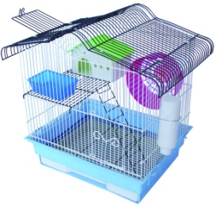 | DLBR(R)1432 | 14 × 11 × 16 (36 x 28.8 x 41cm) | 6 | 11.94 | 13.04 | 0.077 | 63.5 | 39 | 31
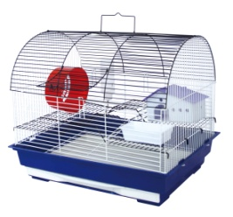 | DLBR(R)1731 | 18× 14× 16 (47 x 36 x 41cm) | 2 | 2.98 | 4.01 | 0.09 | 78 | 46 | 25
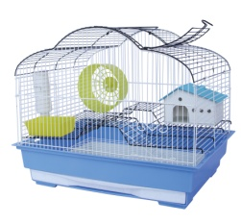 | DLBR(R)1732 | 18× 14× 15 (47 x 36 x 38cm) | 2 | 2.56 | 3.76 | 0.064 | 80 | 50 | 16
Remarks: - This price is valid within 20 days. - Port of delivery: FOB Dalian Port - Period of delivery :40/60 working days after receiving the deposit from purchaser. - Terms of payment: T/T (50% deposit 50% balance payment before loading) - Above price is made according to our MOQ - 300pieces each style, If your quantity less than our MOQ, the price will lift 10%. - Package: Brown carton

